Indices

 | Iraq Stock Exchange
 | Bulletin No (55)
 | ISX Trading Indices of Tuesday 31/3/2026

 | Traded Volume and OTC |  | 638,557,267 |  | Traded Value and OTC |  | 944,242,387 |  | Traders | 957

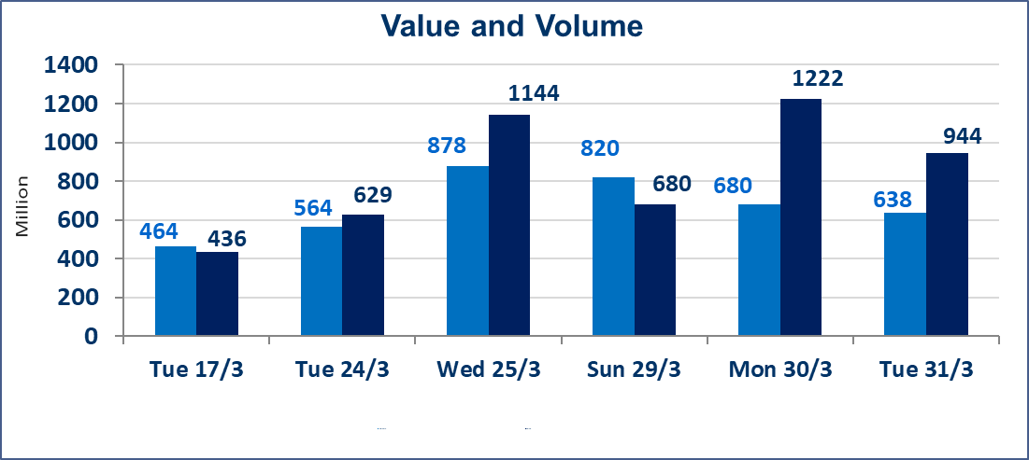
 | ISX Index 60 |  |  | 964.57 | ISX Index 15 |  |  | 1230.97
 | Previous ISX Index60 |  |  | 945.08 | Previous ISX Index15 |  |  | 1221.64
 | Change % |  |  | 2.06 | Change % |  |  | 0.76
 | Change |  |  | 19.49 | Change |  |  | 9.33

 | Listed Companies | 104 | OTC | 14 | Non Traded listed | 37 | OTC | 11
 | Traded Listed Companies | 51 | OTC | 3 | Higher Companies |  |  | 14
 | GAM Companies |  |  | 6 | Lower Companies |  |  | 11
 | Suspended Companies |  |  | 10
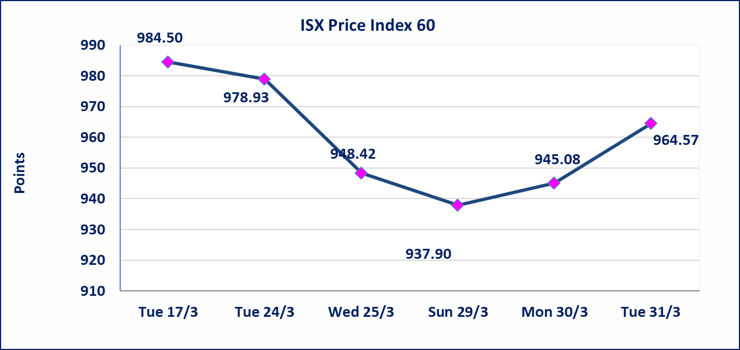
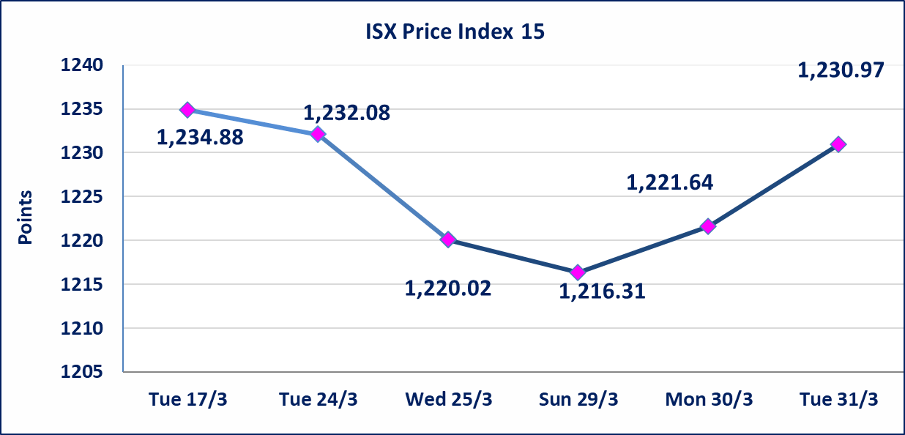

Al-Alwiya P.O . 3607 Mobile: 07711211522 - 07270094594 - 07834000034 E-mail: info-isx@isx-iq.net Web site:www.isx-iq.net

Top 5
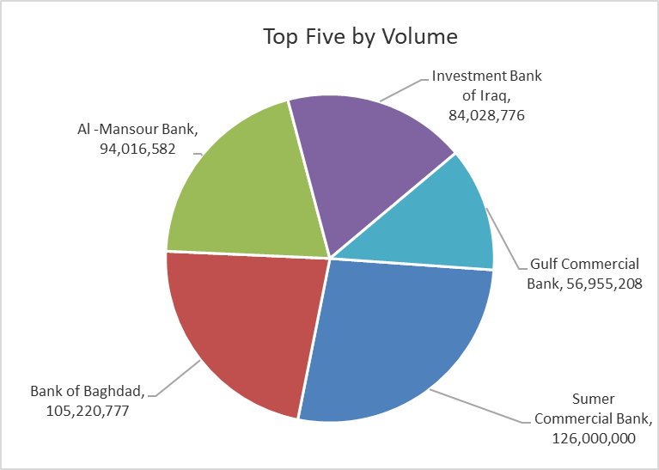
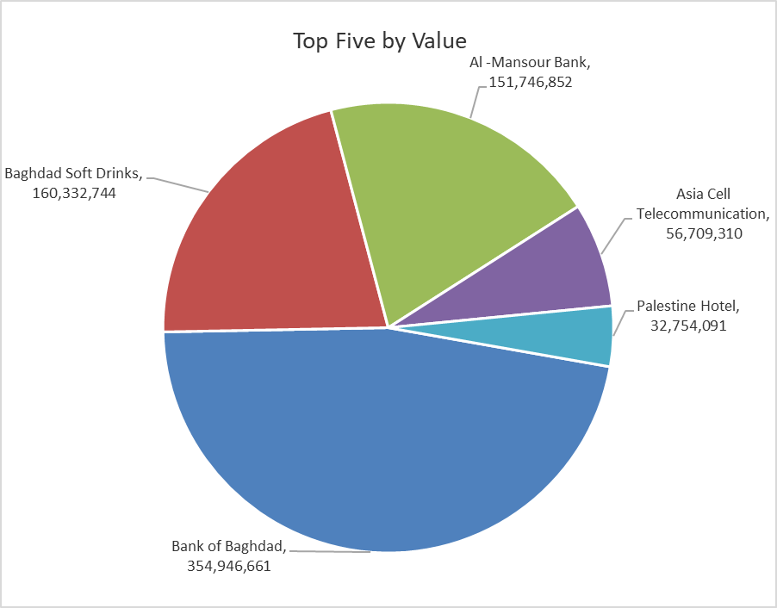

ISX top ganing and losing companies
Tuesday 31/3/2026
 | Gainers |  |  |  | Losers
 | Company Name | Closing Price | Change (%) | Traded Volume | Company Name | Closing Price | Change (%) | Traded Volume
 | Mosul Bank For Investment | 0.140 | 7.69 | 1,007,100 | Ashur International Bank | 0.230 | -4.17 | 5,000,000
 | Modern Construction Materials | 1.310 | 4.80 | 169,514 | Iraqi Date Processing and Marketing | 2.400 | -4.00 | 198,000
 | AL-Badia for General Trans | 0.990 | 4.21 | 2,135,213 | AL-Nukhba for Construction | 0.740 | -3.90 | 82,619
 | Al-Hamraa for Insurance | 6.100 | 3.74 | 2,232,565 | Iraqi Carton Manufactories | 2.520 | -3.08 | 769,183
 | Babil Animal & Vegetable Production | 6.950 | 3.73 | 2,990 | General Transportation | 1.800 | -2.70 | 526,399
 | The most active companies in term of traded volume and value

 | Traded Volume |  |  |  | Traded Value
 | Company Name | Closing Price | Change (%) | Traded Volume | Company Name | Closing Price | Change (%) | Traded Value
 | Sumer Commercial Bank | 0.160 | 0.00 | 126,000,000 | Bank of Baghdad | 3.410 | 3.33 | 354,946,661
 | Bank of Baghdad | 3.410 | 3.33 | 105,220,777 | Baghdad Soft Drinks | 5.990 | 3.28 | 160,332,744
 | Al -Mansour Bank | 1.620 | 1.25 | 94,016,582 | Al -Mansour Bank | 1.620 | 1.25 | 151,746,852
 | Investment Bank of Iraq | 0.210 | 0.00 | 84,028,776 | Asia Cell Telecommunication | 14.940 | -0.40 | 56,709,310
 | Gulf Commercial Bank | 0.340 | 0.00 | 56,955,208 | Palestine Hotel | 18.200 | -0.38 | 32,754,091

Non Iraqi

Iraq Stock Exchange
Non Iraqis' Bulletin Tuesday March 31 2026
Regular Market

Non Iraqi Trading of Regular Market (Buy)
Company Names | Code | No.of trades | Traded Shares | Trading Volume
Banks Sector
Bank Of Baghdad | BBOB | 1 | 100,000 | 337,000
Gulf Commercial Bank | BGUC | 2 | 200,000 | 70,000
Al-Mansour Bank | BMNS | 1 | 100,000 | 162,000
Total Bank sector |  | 4 | 400,000 | 569,000
Grand Total |  | 4 | 400,000 | 569,000

Non Iraqi Trading of Regular Market (Sell)
Company Names | Code | No.of trades | Traded Shares | Trading Volume
Banks Sector
National Bank Of Iraq | BNOI | 19 | 1,580,546 | 7,587,621
Total Bank sector |  | 19 | 1,580,546 | 7,587,621
Telecommunication Sector
Asia cell | TASC | 28 | 1,784,776 | 26,704,588
Total Telecommunication sector |  | 28 | 1,784,776 | 26,704,588
Grand Total |  | 47 | 3,365,322 | 34,292,208

Not Trading Bonds

Iraq Stock Exchange
Tuesday 31/3/2026
Not Trading Bonds Bulletin
Bond type | Publish type | Code | last trading price | immortilize date
Banaa Bonds /Million ID | Second | CB20 | 964,981 | 19/12/2025
Eamar Bonds /Million ID | First | CB30 | 1,001,095 | ــــــــــــــــ
Eamar Bonds /Million ID | Second | CB40 | ــــــــــــــــ | ــــــــــــــــ
Eamar Bonds /500 Thousand ID | Third | CB45 | ــــــــــــــــ | ــــــــــــــــ
Eamar Bonds /Million ID | Third | CB50 | ــــــــــــــــ | ــــــــــــــــ
Injaz Bonds /500 Thousand ID | First | CB55 | ــــــــــــــــ | ــــــــــــــــ
Injaz Bonds /Million ID | First | CB60 | ــــــــــــــــ | ــــــــــــــــ
Injaz Bonds /500 Thousand ID | Second | CB65 | 503,793 | ــــــــــــــــ
Injaz Bonds /Million ID | Second | CB70 | 965,050 | ــــــــــــــــ
Injaz Bonds /500 Thousand ID | Third | CB75 | ــــــــــــــــ | ــــــــــــــــ
Injaz Bonds /Million ID | Third | CB80 | 978,182 | ــــــــــــــــ
National Bonds/Million ID | First | CB90 | ــــــــــــــــ | ــــــــــــــــ
National Bonds/500 Thousand ID | Second | CB95 | ــــــــــــــــ | ــــــــــــــــ
National Bonds/Million ID | Second | CB100 | ــــــــــــــــ | ــــــــــــــــ

